Crash Rate Calcs

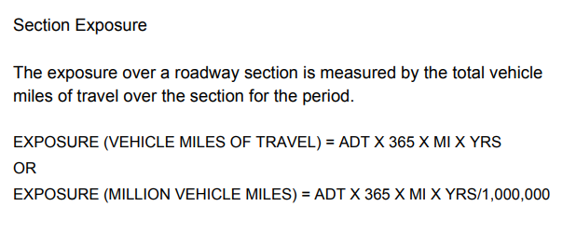

Exposure= | 855.0239975 | (uses 1 million VMT not 100 million)

R= | 229.93506682
 |  |  | Catawba |  |  | Burke |  |  | Caldwell
C= | 1966 | crashes | C= | 644 | crashes | C= | 27 | crashes | C= | 1295 | crashes
V= | 34830.592521 | (AADT) | V= | 37100 | (AADT) | V= | 41500 | (AADT) | V= | 34100 | (AADT)
N= | 5 | years | V_weighted= | 7143.6324437 |  | V_weighted= | 857.70574678 |  | V_weighted= | 26829.254331
L= | 13.451 | mi | L= | 2.59 | mi | L= | 0.278 | mi | L= | 10.583 | mi

K= | 3 | crashes | K | 1 | crashes | K | 0 | crashes | K | 2 | crashes
A-C= | 495 | crashes | A-C | 136 | crashes | A-C | 7 | crashes | A-C | 352 | crashes
Night= | 410 | crashes
Wet= | 328 | crashes | Night | 138 | crashes | Night | 6 | crashes | Night | 266 | crashes
 |  |  | Wet | 97 | crashes | Wet | 1 | crashes | Wet | 230 | crashes
K= | 0.3508673451 | rate
A-C= | 57.893111942 | rate
Night= | 47.951870497 | rate
Wet= | 38.361496398 | rate

